Welcome
 | Multifamily Market Study
 | By Jay Chang - Hestia Capital LLC


 |  | Version 1.0
2019

 | User Inputs Are In Bold Blue Type

 | Please Give Us a Like on Facebook

 | Please Subscribe to Our Website for the Latest Real Estate Related Blogs, News, and Tools

Phoenix
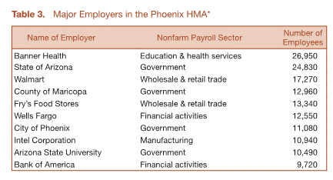
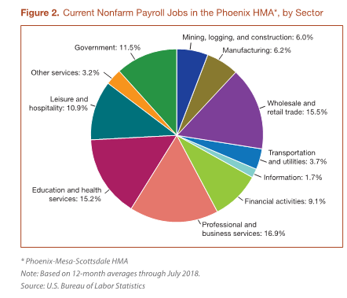
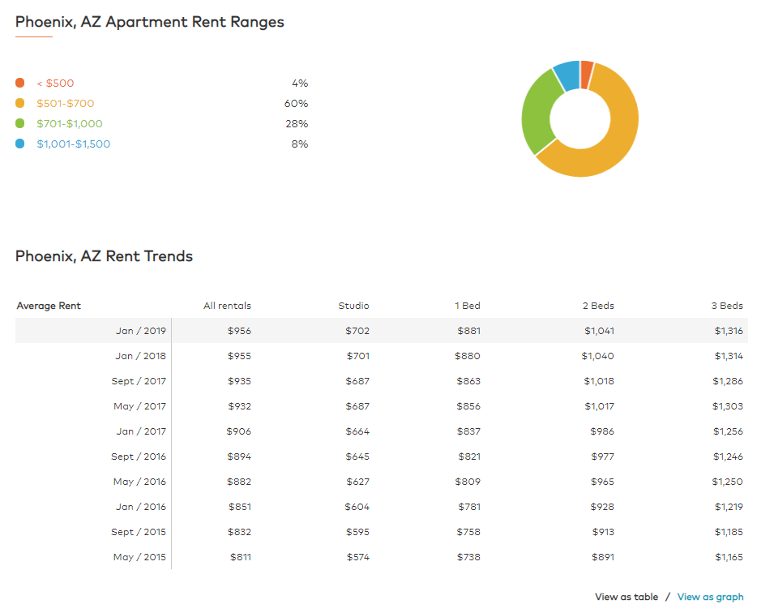
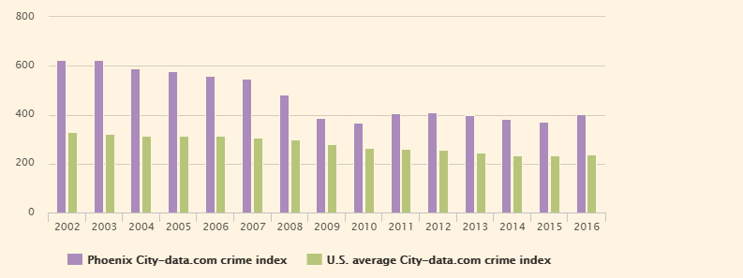
many schools in the City
McCarthy, Yelp, USAA, Edward Jones, Charles Schwab, American Express
*According to HUDUser, phoenix in the next 3 years will have
 | largest demand for 1 bd $1,200 to $1,400
 | then 2bd $1,450 to $1,649
*Scottsdale-Mesa submarket |  | Class A Cap: 5%-6%
 | Current monthly average rent is $1,081 | Class B Cap: 7%-8%
 | Chandler average $1,184
 | Gilbert - $1,094, North Scottsdale $1,300
 | NW Mesa - $897 South Glendale - $782
 | Overall - $830 for studio, $963 for 1bd, $1,144 for 2bd, $1,393 for 3bd

*Class B: 1bd $600-800, 2bd $650-1,000, 3bd $1200-$1,600

*Looking for 40-100 units Class B or Class C with 7% Cap. About $50,000 a door with value-add opportunity.
$650/mo a door
$3,510 NOI/door
$50,000 a door @7% cap rate
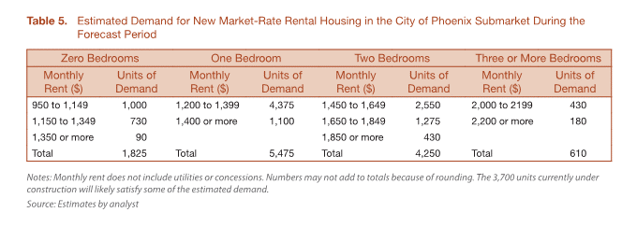
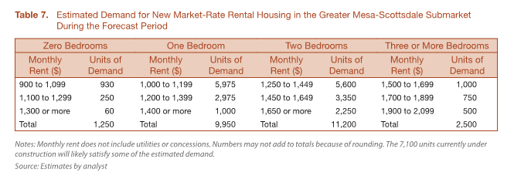
 |  | · Economics
 |  | o Unemployment rate at 4.0%, the same as the national average of 4.0%
 |  | o Large branches: Wal-Mart, Verizon, JPMorgan, United Health, Wells Fargo, Amazon.com, Intel, Coca-Cola, Delta Air Lines, American Express
 |  | o Median income per household is $52,080, 10% below the national average
 |  | · General Living Conditions
 |  | o Living cost is low
 |  | § Median home price $213,300
 |  | § Median rent $954
 |  | o Crime rate index is higher than the national average
 |  | o Big on sports. NFL, MLB, NBA, etc
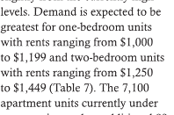
 |  | o Lots of outdoor activities, such as zoos, science center, hikes, national parks
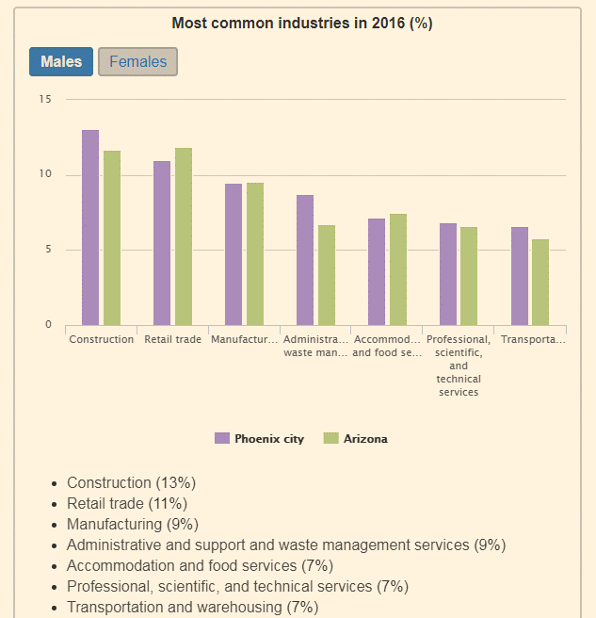
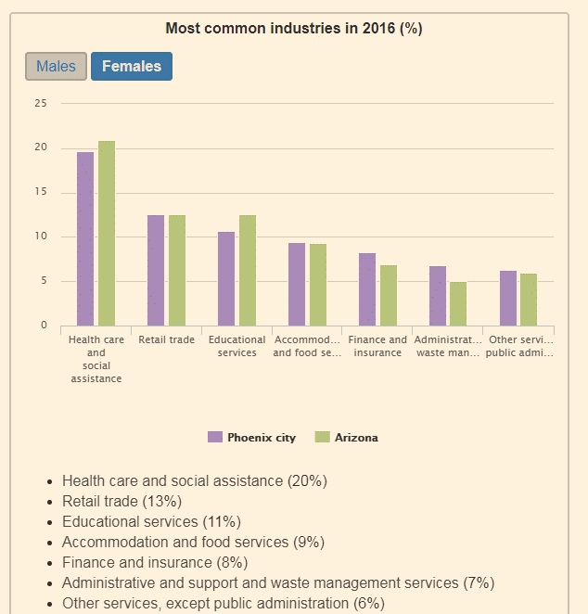
 |  | o Gourmet food and beers
 |  | · Neighborhoods
 |  | o Glendale – antique buildings, 9 miles NW of Downtown
 |  | o Mesa – 15 mi east of Phoenix. 3rd largest city in Arizona. A growing metropolitan vibe with some suburb feel
 |  | o Tempe – home to ASU. 7 mi east of Phoenix. A college town with over 160k residents. Suburban landscape
 |  | o Gilbert – One of the most affordable area. Tons of green space. Little crime and great schools, perfect for families
 |  | · Education
 |  | o 28% of the population has a Bachelor degree or higher, compared to national average’s 30.9%
 |  | · Transportation
 |  | o Most people drive. 24 minutes commute time, lower than the national’s average of 25 minutes

